11.a) EP3 - A
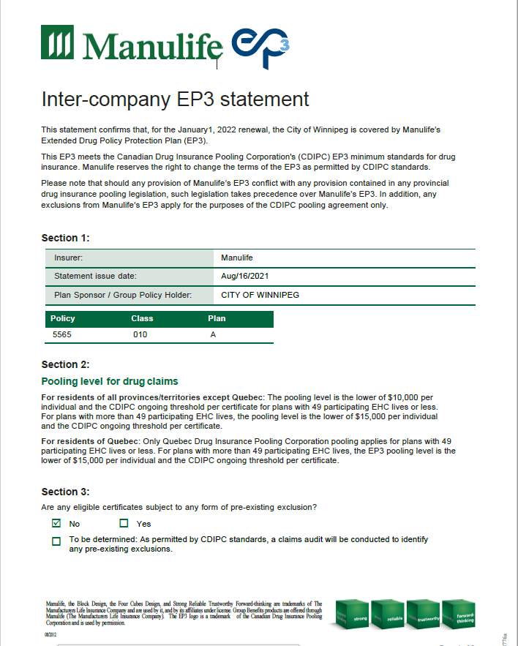
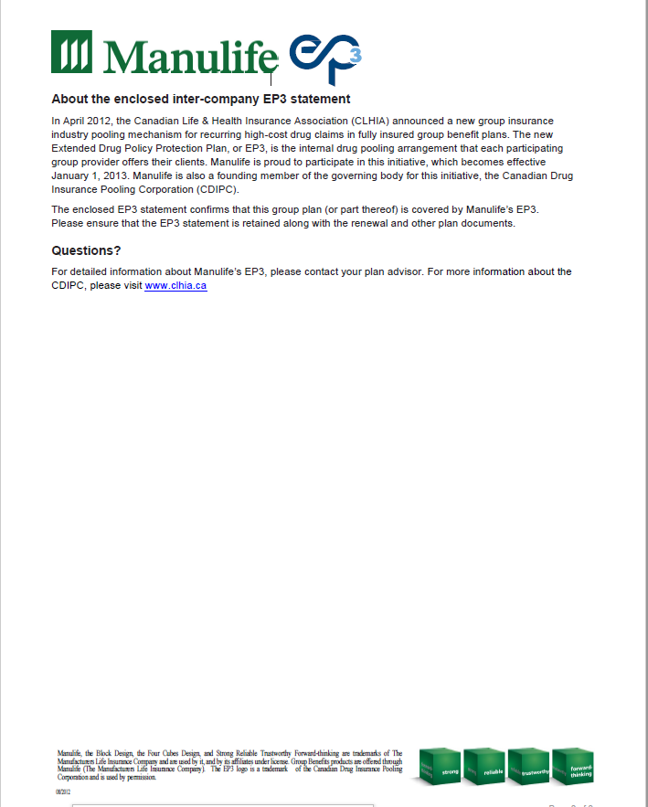
City of Winnipeg
EP3 Statement - Executive Assistants to City Councilors (A)
August 2021

11.b) EP3 - Voluntary Health

City of Winnipeg
EP3 Statement - Voluntary Health - Classes 81, 82, 83, 84, 113, 114
August 2021

